2022 total
Table 13: The amount of fruit we purchased in 2022 per quarter.
Quarter | Volume (kilograms) | Cost (pounds - £) | Full results
Quarter 1 | 97 | 181 | Q1 breakdown of fruit we purchased
Quarter 2 | 112 | 207.5 | Q2 breakdown of fruit we purchased
Quarter 3 | 116 | 201 | Q3 breakdown of fruit we purchased
Quarter 4 | 107 | 170 | Q4 breakdown of fruit we purchased
All | 432 | 759.5 | Not applicable

Chart 1: The amount of fruit purchased in 2022 per quarter. The graph shows some of the data recorded in Table 13.
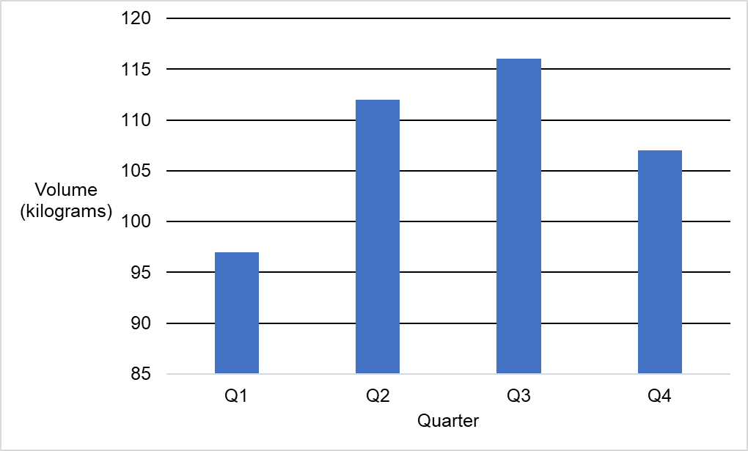

Table 14: The amount of fruit we discarded in 2022.
Quarter | Volume (kilograms) | Cost (pounds - £) | Full results
Quarter 1 | 24.3 | 48.5 | Q1 breakdown of fruit we discarded
Quarter 2 | 21.1 | 46 | Q2 breakdown of fruit we discarded
Quarter 3 | 1 | 6 | Q3 breakdown of fruit we discarded
Quarter 4 | 7 | 13 | Q4 breakdown of fruit we discarded
All | 53.4 | 113.5 | Not applicable

Chart 2: The amount of fruit discarded in 2022 per quarter. The graph shows some of the data recorded in Table 14.
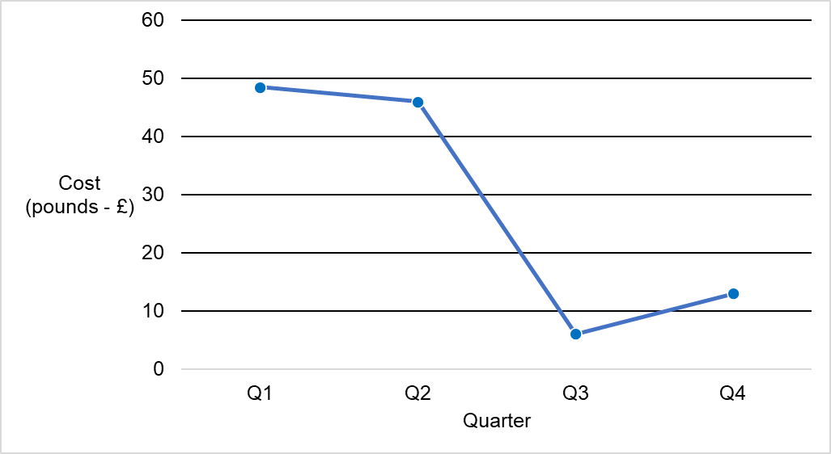

Table 15: The net amount of fruit available to use in 2022.
Fruit status | Volume (kilograms) | Cost (pounds - £)
Purchased | 432 | 759.5
Discarded | 53.4 | 113.5
Available | 378.6 | 646

